PSB Guidance
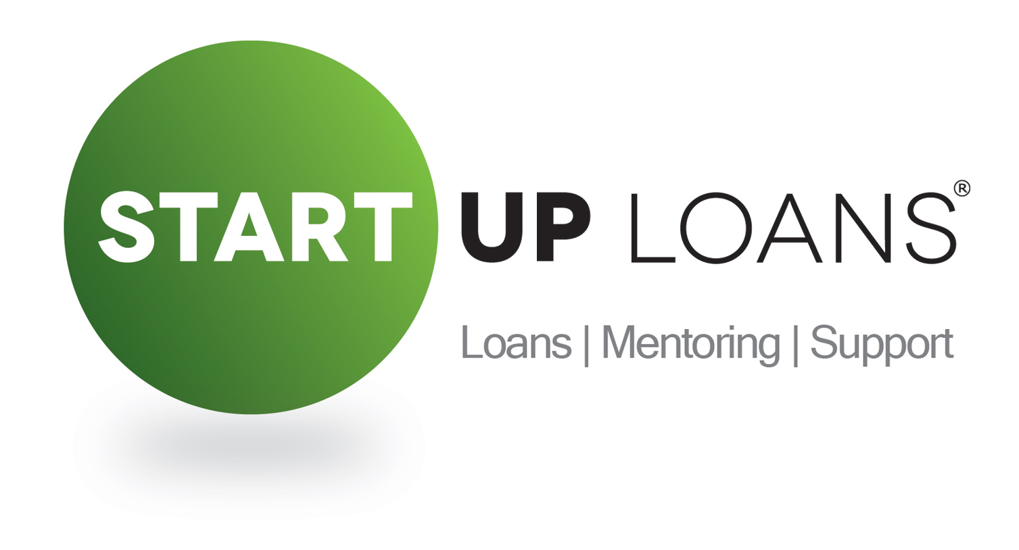 GUIDANCE ON USING THIS TEMPLATE TO CREATE YOUR PERSONAL SURVIVAL BUDGET

A Personal Survival Budget (PSB) details your average monthly income minus all the costs and expenses you would incur in a typical month. As the name suggests, this is a personal budget – not a business budget – that is designed to help us determine whether or not you will be able to meet your monthly Start Up Loan repayments.

BEFORE YOU GET STARTED:

The template is designed to be as easy to use as possible - simply enter your figures into the orange coloured cells on the template and all of the green coloured cells will auto-calculate based on your responses. The formulas in the green cells are locked down so you will not be able to edit these.

Don't worry if you're unsure about any thing as you're working through this document. Your first draft won't necessarily be your final submission and your Business Adviser will be able to work with you to refine and develop this if needed.

We recommend completing your PSB before your business Cash Flow Forecast (CFF), because your PSB helps you work out what amount of money you need to draw from the business to meet your existing personal expenses.

To help you get an overall view on your sitaution, we have linked both spreadsheets so that the balance of your PSB automatically appears in your CFF.

TIPS:

* | For an explanation of the terms included on the PSB template, simply hover over the cells that have a red triangle in the top right corner and you will see some further instructions and guidance related to that item. If you're still unsure, your Business Adviser will be able to work with you once you have submitted an initial draft.

* | Your PSB is for PERSONAL income and expenses only, not business related items.

* | The template lists a range of common options but they might not all be applicable for you. Simply add or remove items as relevant.

* | If your personal expenses are more than your personal income, you will need your business to generate enough money to cover these expenses.

* | Your PSB should reflect your expected expenses for the first month after you draw down a Start Up Loan.

* | Before completing this, you may find it helpful to reference your last three-months of bank statements to see how much you normally earn and spend.

* | If any of the numbers you enter result in a negative balance then this negative balance will be displayed in red to draw this to your attention. Ideally, you want to avoid negative totals or balances, so think about what you may need to and can feasibly change in order to achieve this.

* | Use the commentary box at the bottom of the template to explain any assumptions you've made or notes you'd like to discuss with your Business Adviser.

* | If you want to see what formula is being used to calculate any of the green cells, or find out which cells are being used in the calculation, simply click on the cell and the formula will display in the Formula Bar at the top of the page.

* | For free and impartial advice on your personal budgeting, contact the government-backed Money Advice Service via their website or telephone. Go to http://www.moneyadviceservice.org.uk or call: 0800 138 7777 (calls are free).

